Foglio1
Grad_Geo [°C/km] | Flow Rate [kg/s]
35 | 3.6 | 0.21723805558 | 0.09 | 1
41.666666667 | 3.6 | 0.21526034436 | 0.1 | 1
48.333333333 | 3.6 | 0.42791378841 | 0.09 | 1
55 | 3.6 | 0.35664177391 | 0.1 | 1
61.666666667 | 3.6 | 0.30544978987 | 0.1 | 1
68.333333333 | 3.6 | 0.26593189006 | 0.1 | 1
75 | 3.6 | 0.23576952173 | 0.1 | 1
35 | 36 | 0.22167805273 | 0.08 | 1
41.666666667 | 36 | 0.21568363464 | 0.1 | 1
48.333333333 | 36 | 0.48923191946 | 0.08 | 1
55 | 36 | 0.39652332382 | 0.1 | 1
61.666666667 | 36 | 0.33404399261 | 0.1 | 1
68.333333333 | 36 | 0.28822018888 | 0.1 | 1
75 | 36 | 0.25361442792 | 0.1 | 1
35 | 360 | 0.23054917948 | 0.08 | 1
41.666666667 | 360 | 0.21568363464 | 0.1 | 1
48.333333333 | 360 | 0.56011849252 | 0.08 | 1
55 | 360 | 0.44589708732 | 0.1 | 1
61.666666667 | 360 | 0.36915189624 | 0.1 | 1
68.333333333 | 360 | 0.31441647042 | 0.1 | 1
75 | 360 | 0.27562218734 | 0.1 | 1
35 | 3600 | 0.2414444388 | 0.06 | 1
41.666666667 | 3600 | 0.21526034436 | 0.1 | 1
48.333333333 | 3600 | 0.62409567385 | 0.08 | 1
55 | 3600 | 0.49295590768 | 0.1 | 1
61.666666667 | 3600 | 0.40283417607 | 0.1 | 1
68.333333333 | 3600 | 0.34221199718 | 0.1 | 1
75 | 3600 | 0.29529090031 | 0.1 | 1

Foglio2
General Input |  |  | Values in red are input parameters
R | 0.1889 | kJ/(kg K)
γ | 1.3 | -

Total Inlet Condition |  |  | Static Condition |  |  | Area Calculation
P0 | 80 | bar | P | 60 | bar | mdot | 0.10 | kg/s
T0 | 85 | °C | T | 62.00 | °C | Wtroath | 3.5 | mm
rho0 | 118.25 | kg/m3 | M | 0.68 | - | A | 5.26E-06 | m2
c0 | 296.57 | m/s | rho | 94.77 | kg/m3 | Wnozzle | 1.50 | mm
cp | 1.75 | kJ/(kg K) | v | 200.61700088 | m/s

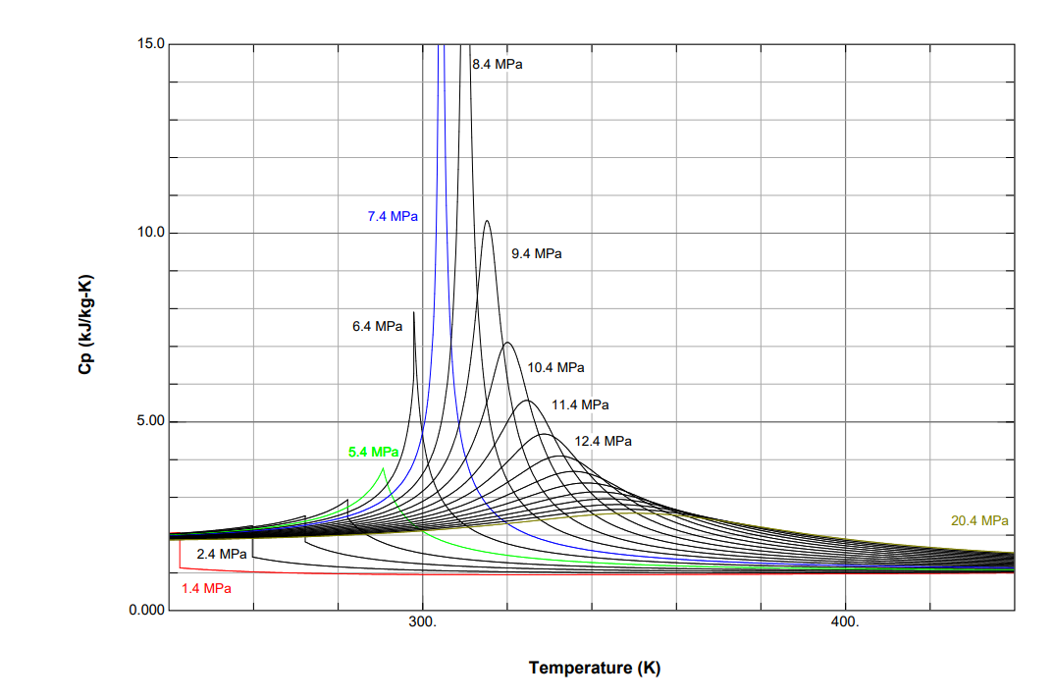

The problem in these condition is the evaluation of the Cp as it changes drastically near the critical point (see the image above)

